Kelly Austin vs RHB

 | Kelly Austin vs RHB
Mainly 3-pitch mix with cut FB and 2 breaking balls from OTT slot
RELEASE |  |  | ARSENAL
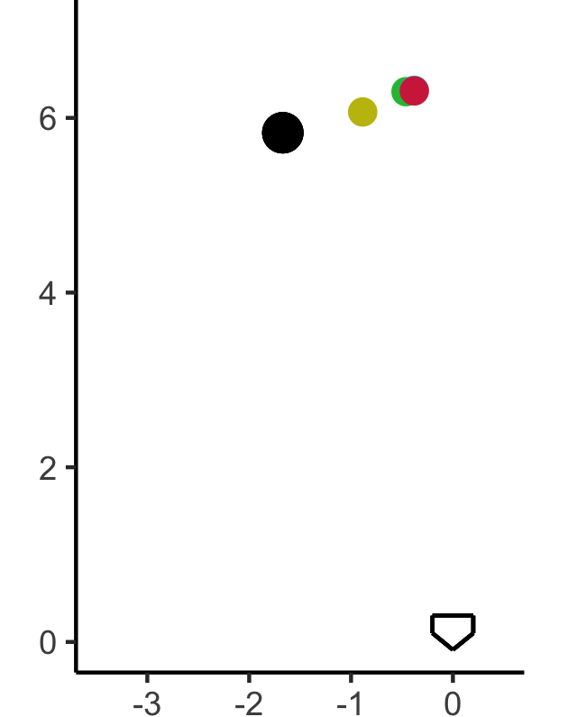
 |  |  | PITCH | USE | ZONE | VELO | DESCRIPTION
 |  |  | Fastball | 48 | 45 | 88.9 (87-91) | Plus carry with cut
 |  |  | Slider | 25 | 28 | 82.2 (80-84) | Tight 3/4 action; lowers slot
 |  |  | Curveball | 20 | 34 | 78.0 (76-80) | Firm overhand 12/6
 |  |  | ChangeUp | 7 | 32 | 80.6 (79-82) | SP action; good depth, minimal fade

NOTES |  |  | LOCATION
ALL: keeps everything away from hitter |  | EARLY

ALL: very little horizontal break in arsenal, mainly north- south movement

 |  | HITTERS

Pre-2K: SL > CB; 2K: CB > SL

 |  | 2-STRIKE

ALL: below average zone rates with secondaries

 |  | FULL

Kelly Austin vs LHB
 | Kelly Austin vs LHB
Mainly 3-pitch mix with cut FB and CB/CH, occasional SL from OTT slot
RELEASE |  |  | ARSENAL

 |  |  | PITCH | USE | ZONE | VELO | DESCRIPTION
 |  |  | Fastball | 43 | 52 | 89.2 (88-91) | Plus carry with cut
 |  |  | Curveball | 28 | 40 | 78.1 (76-80) | Firm overhand 12/6
 |  |  | ChangeUp | 19 | 45 | 81.3 (80-83) | SP action; good depth, minimal fade
 |  |  | Slider | 10 | 30 | 82.6 (81-84) | Tight 3/4 action; lowers slot

NOTES |  |  | LOCATION
ALL: FB middle-away, CB/CH down-away |  | EARLY

2K: Lot of CB/CH, keeps down-away; works FB up

 |  | HITTERS

ALL: in/around zone a lot with FB/CH, looks to get chase with breaking balls

 |  | 2-STRIKE

ALL: very little horizontal break in arsenal, mainly north- south movement

 |  | FULL

